Entry form
 | TEM MIRNA YOUTH INTERNATIONAL

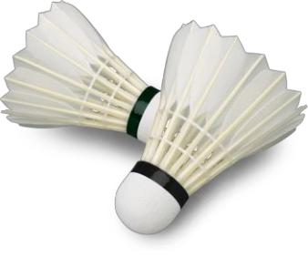
 | 32. International youth badminton tournament

 | Badminton club Mirna, Slovenia

 | ENTRIES FOR THE TOURNAMENT (U11, U13, U15)

 | Send to | junior.bk.mirna@gmail.com
 | Entry closure | August 23rd 2026
 | Club / National federation
 | Adress
 | Country
 | Responsibble person
 | Mail

 | Boys singles (NAME) | SURNAME | Year of birth | Age group (U11, U13, U15) | CLUB | National Ranking | Sock size
example | Matic | Vidmar | 2013 | U13 |  | 1 | 36

 | Girls singles (NAME) | SURNAME | Year of birth | Age group (U11, U13, U15) | CLUB | National Ranking | Sock size
example | Nejka | Vidmar | 2010 | U15 |  | 1 | 37

 | Boys doubles (NAME) | SURNAME | Year of birth | Age group (U13, U15) | CLUB | National Ranking | Sock size

with

with

with

with

with

with

with

with

with

with

with

with

with

with

with

with

with

 | Girls doubles (NAME) | SURNAME | Year of birth | Age group (U13, U15) | CLUB | National Ranking | Sock size

with

with

with

with

with

with

with

with

with

with

with

with

with

with

with

with

with

